Calcs - Drawings
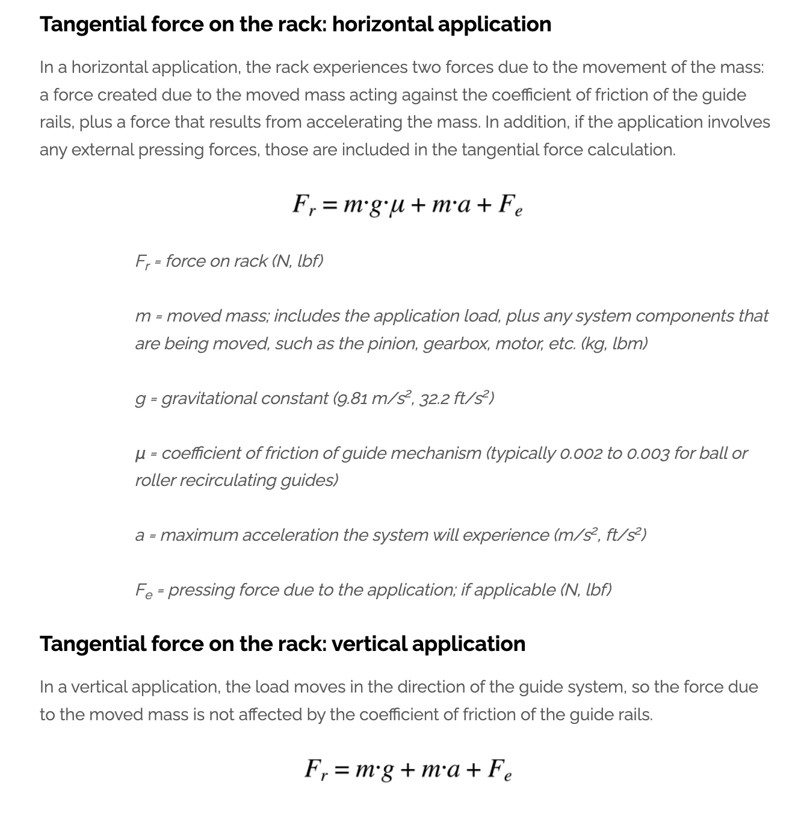
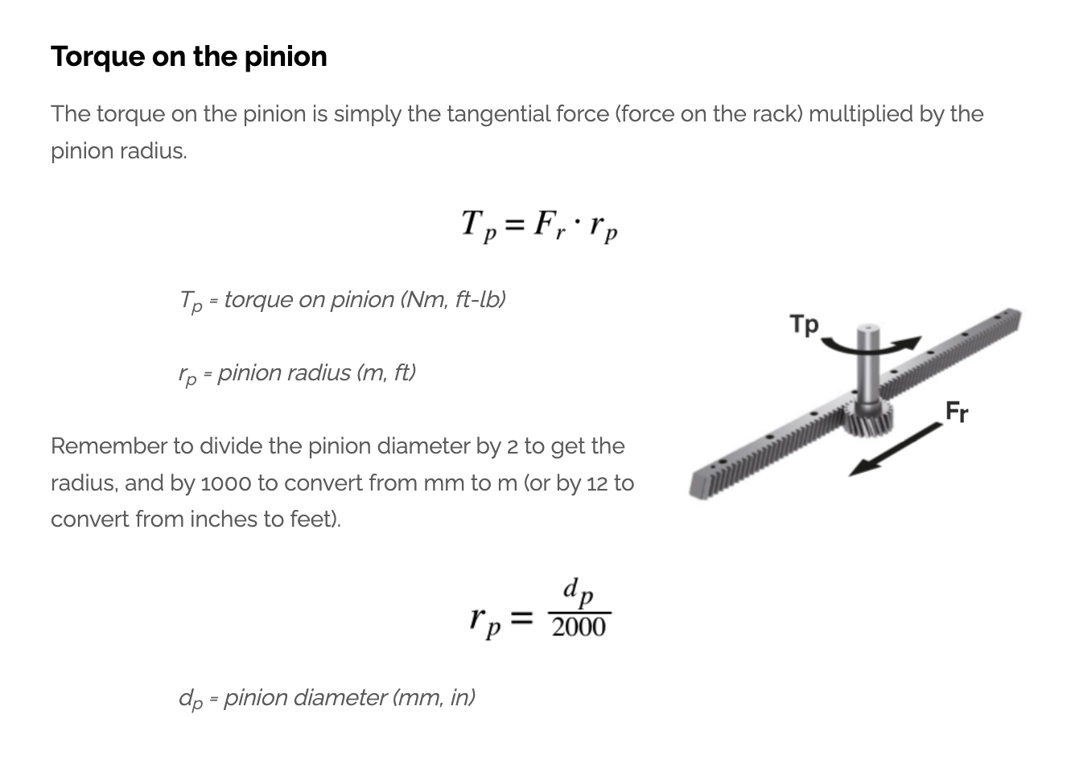
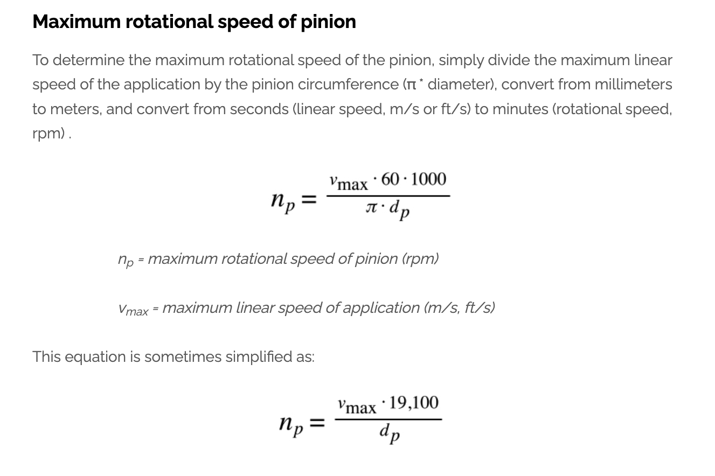
Injection Volumen = pi*radius^2*stroke
ej, stroke = 165mm, dia 42mm
volume = pi*21^2*165=3.1415*441*165
volume = 228597mm3 = 228.6cm3
for a volume of 150cm3, stroke?
150000/3.1415*441 = 108mm

Problem seems to be that a wider barrel should give less injection pressure, but requiring larger reductor, larger shaft, larger modulus teeth, and larger reductor is not available with lower ratios etc, but a thinner barrel obliges a geared rack to have a smaller modulus of teeth, so reducing the max shear stress that the teeth can take, and therefore the max pressure that can apply… a thinner barrel allows faster heating of material, a thicker barrel, even thou could apply more pressure (large modulus gear rack, larger shaft), would not heat up fast enough… also, as larger reductor is not available with a low ratio, min force output rapidly goes above the max shear stress pressure again 🤦

